Info
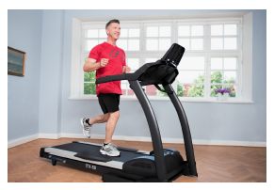
Heart Rate

Description
This data set, Heart Rate, provides heart rate of male and female
runners and generally sedentary participants following 6 minutes of
exercise. Specifically:

“A study compared cardiovascular risk factors between runners who
averaged at least 15 miles per week and a control group described as
‘generally sedentary’. Both men and women were included in the study.
There were 200 subjects for each combination, summing up to a total of
800 participants. One of the variables measured was the heart rate after
6 minutes of exercise on a treadmill.” (Moore et al. 2012, p. 649)

Purpose
The purpose of the original study was to investigate whether regular
physical activity has health benefits.
“In recent years, there appears to have been a remarkable increase in
the number of men, women, and children who regularly exercise by
running or jogging.[...] It is clear that many of these new exercisers,
particularly men in middle age, attribute health benefits, especially
reduced risk of cardiovalcular disease, to this form of increased aerobic
activity.” (Wood et al. 1977, p. 748)
Here we use this data set to demonstrate the factorial 2  2 betweensubjects
ANOVA in JASP. Specifically, we compare heart rates between
a group of runners and a sedentary group, and the differences
between men and women.

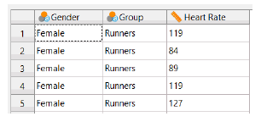
Data Screenshot
The Heart Rate data set (Wood et al. 1977) consists of 800 rows and 3
columns. Each row corresponds to one participant.

Variables
• Gender
– Type: Categorical
– Description: Participants’ gender.
• Group
– Type: Categorical
– Description: Running habits (‘Runners’ = participant who averages
at least 15 miles per week, ‘Control’ = participant described
as “generally sedentary”).
• Heart Rate
– Type: Continuous
– Description: Heart rate (beats per minute) after 6 minutes of
exercise on a treadmill.

Source
Wood, P. D., Haskell, W. L., Stern, M. P., Lewis, S., and Perry, C.
(1977). Plasma lipoprotein distributions in male and female runners.
Annals of the New York Academy of Sciences, 301:748–763.
This example analysis is based on Chapter 13 (pp. 649–652) in
Moore, D. S., McCabe, G. P., and Craig, B. A. (2012). Introduction to
the Practice of Statisics. New York: Freeman, 7th edition, with available
resources at whfreeman.com/ips7e.

